All
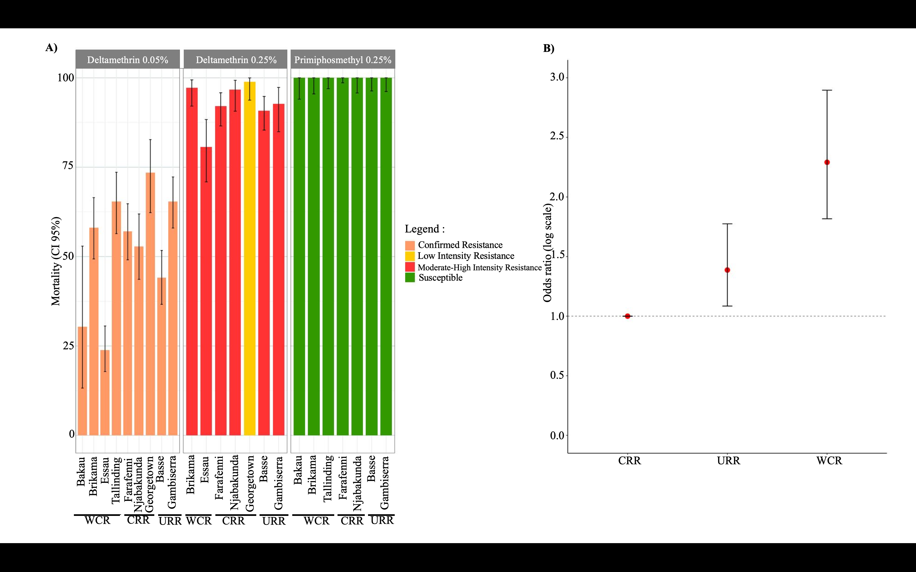
 | INSECTICIDE | Region | N TOTAL | DEAD | MORTALITY % | Lower | Upper | Plot_Lower | Plot_Upper | Resistance
standard concentration bioassays | Deltamethrin 0.05 (x) | WCR | 438 | 201 | 45.890410959 | 41.15 | 50.68 | 4.7404109589 | 4.7895890411 | Confirmed resistance
 | Deltamethrin 0.05 (X) | CRR | 574 | 379 | 66.027874564 | 61.99 | 69.89 | 4.0378745645 | 3.8621254355 | Confirmed resistance
 | Deltamethrin 0.05 (X) | URR | 737 | 495 | 67.164179104 | 63.64 | 70.54 | 3.5241791045 | 3.3758208955 | Confirmed resistance

 | Permethrin 0.75 (X) | WCR | 440 | 254 | 57.727272727 | 52.95 | 62.39 | 4.7772727273 | 4.6627272727 | Confirmed resistance
 | Permethrin 0.75 (X) | CRR | 489 | 313 | 64.008179959 | 59.57 | 68.26 | 4.4381799591 | 4.2518200409 | Confirmed resistance
 | Permethrin 0.75 (X) | URR | 594 | 356 | 59.932659933 | 55.86 | 63.89 | 4.0726599327 | 3.9573400673 | Confirmed resistance

 | Bendiocarb 0.1 (X) | WCR | 436 | 436 | 100 | 99.15 | 100 | 0.85 | 0 | Susceptible
 | Bendiocarb 0.1 (X) | CRR | 318 | 318 | 100 | 98.84 | 100 | 1.16 | 0 | Susceptible
 | Bendiocarb 0.1 (X) | URR | 336 | 334 | 99.404761905 | 97.86 | 99.92 | 1.5447619048 | 0.51523809524 | Susceptible

 | PirimiphosMethyl 0.25 (X) | WCR | 398 | 398 | 100 | 99.07 | 100 | 0.93 | 0 | Susceptible
 | Pirimiphos Methyl 0.25 (X) | CRR | 426 | 426 | 100 | 99.13 | 100 | 0.87 | 0 | Susceptible
 | Pirimiphos Methyl 0.25 (X) | URR | 504 | 504 | 100 | 99.27 | 100 | 0.73 | 0 | Susceptible

Intensity concentration | Deltamethrin 0.25 (5X) | WCR | 118 | 74 | 62.711864407 | 53.33 | 71.43 | 9.3818644068 | 8.7181355932 | Moderate to high intensity resistance
 | Deltamethrin 0.25 (5X) | CRR | 525 | 478 | 91.047619048 | 88.27 | 93.34 | 2.7776190476 | 2.2923809524 | Moderate to high intensity resistance
 | Deltamethrin 0.25 (5X) | URR | 557 | 515 | 92.459605027 | 89.94 | 94.51 | 2.5196050269 | 2.0503949731 | Moderate to high intensity resistance

 | Permethrin 3.75 (5X) | WCR | 229 | 197 | 86.026200873 | 80.84 | 90.24 | 5.1862008734 | 4.2137991266 | Moderate to high intensity resistance
 | Permethrin 3.75 (5X) | CRR | 523 | 483 | 92.351816444 | 89.73 | 94.48 | 2.6218164436 | 2.1281835564 | Moderate to high intensity resistance
 | Permethrin 3.75 (5X) | URR | 632 | 552 | 87.341772152 | 84.49 | 89.83 | 2.8517721519 | 2.4882278481 | Moderate to high intensity resistance

 | Permethrin 7.5 (10X) | WCR | 50 | 50 | 100 | 92.88 | 100 | 7.12 | 0 | Moderate intensity resistance
 | Permethrin 7.5 (10X) | CRR | 236 | 233 | 98.728813559 | 96.33 | 99.73 | 2.3988135593 | 1.0011864407 | Moderate intensity resistance
 | Permethrin 7.5 (10X) | URR | 371 | 362 | 97.574123989 | 95.44 | 98.88 | 2.1341239892 | 1.3058760108 | High intensity resistance

